layout
1. Màn hình hiện thị thống kê tổng hợp

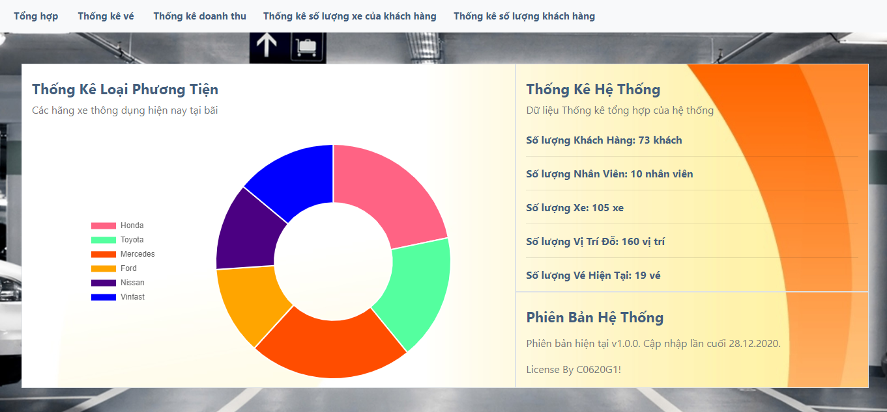
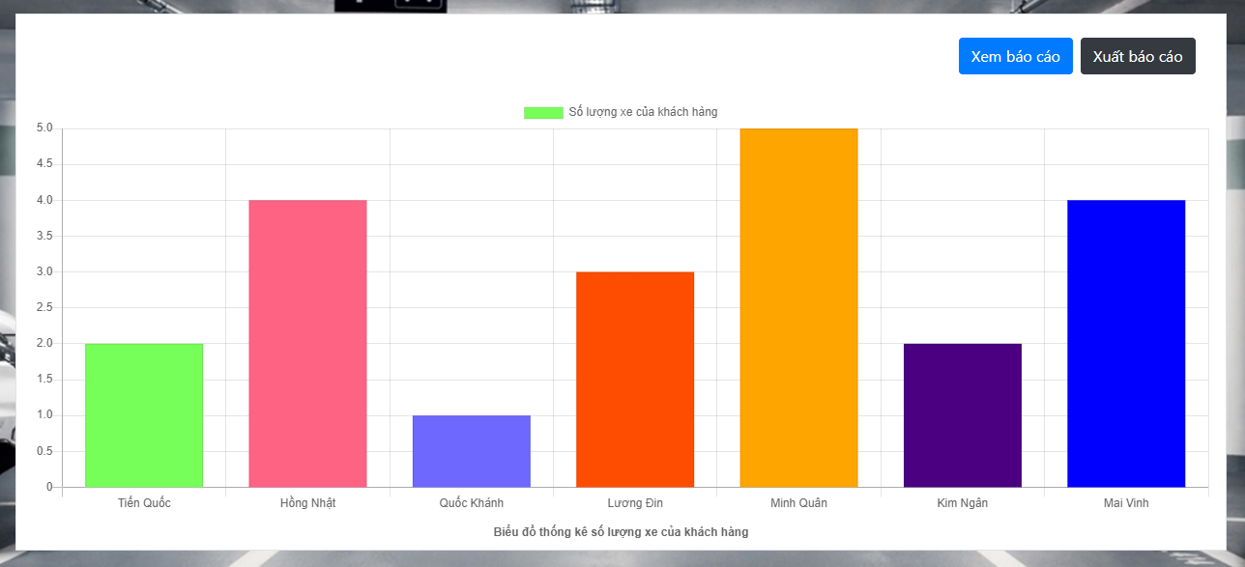
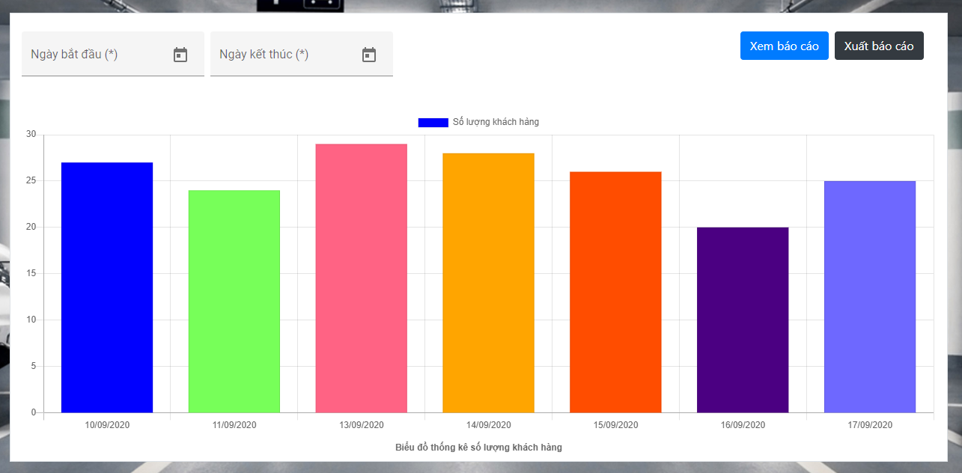
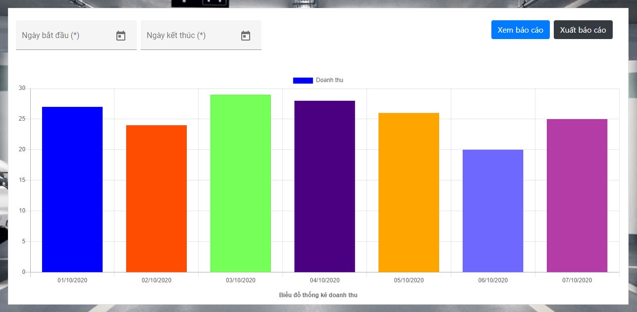
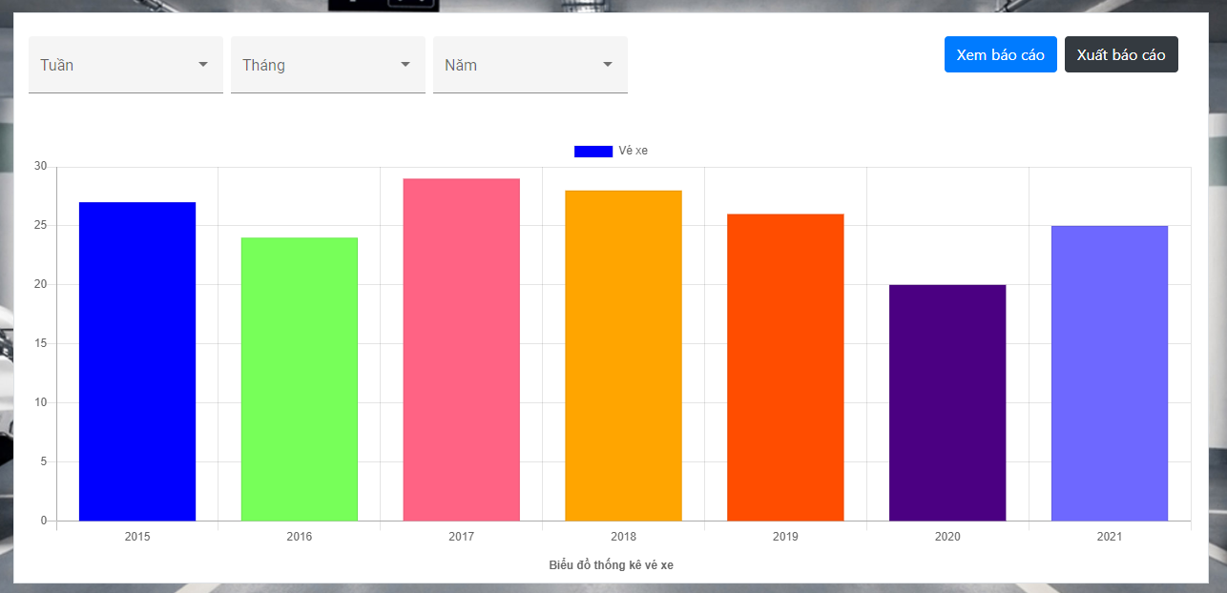

2. Màn hình hiện thị số vé theo ngày tháng năm

3. Màn hình hiện thị doanh thu trong khoảng thời gian

4. Màn hình hiện thị số lượng xe của khách hàng

5. Màn hình hiện thị số lượng khách hàng đăng ký trong khoảng thời gian

